Day 3 06.04.22
Id:1 | I want to write articles, So that I can share my knowledge and thoughts via articles.
Author/Blogger | I can add image,link to an article.
 | I can update and republish the article .
 | I can delete the article.
 | I can update and manage my profile. | User Flow
 | I can invite certain people to read my article.
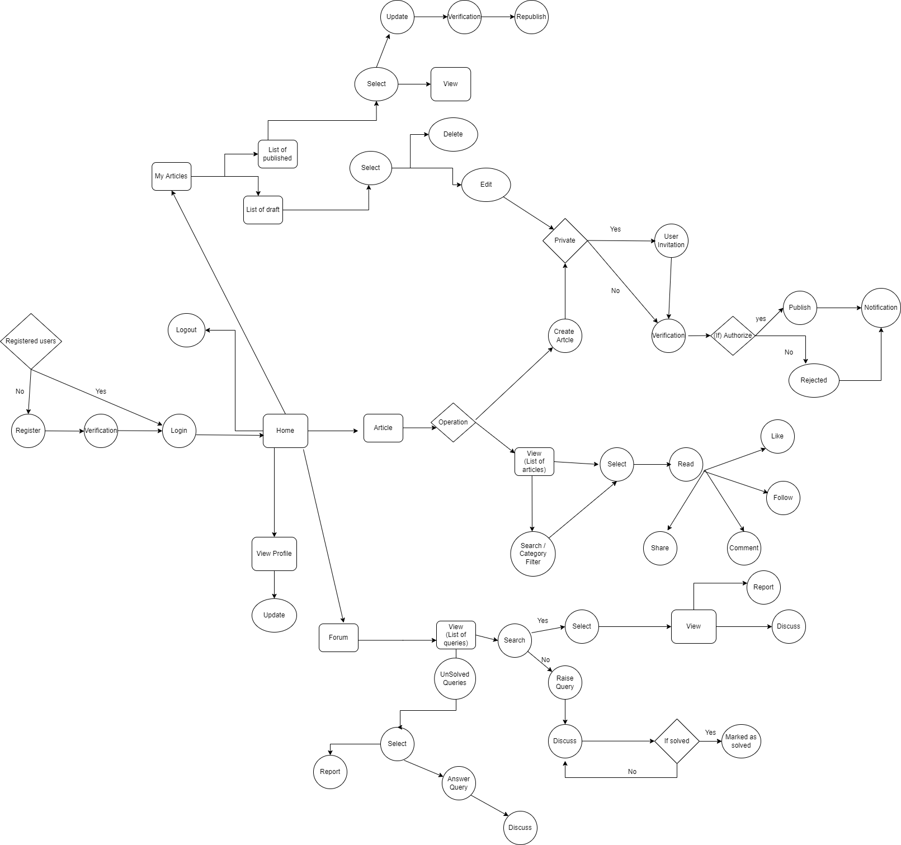
 | I can View my published articles and draft articles in MY ARTICLES page.

Id:2 | I used to read articles to gain more knowledge
Article Reader: | I want to save the article which impress me.
 | I want to share the article which has new impact.
 | I want to like the article which I love.
 | I can also follow the author I like.

Id:3
Queries Raiser(Any Employee): | I can raise queries in the forum, If I faced any issues.
 | I can search for query in the forum
 | I can also give verified mark If I get my solution.

Id:4 | I can able to answer Queries raised by anyone in the technical forum.
Queries Solver (Any Employee): | I can also interact with query raiser if the question is not clear.
 | I can Report Spam Queries.

Id:5 | I can able to view the dashboard.
System Admin: | I can approve the employee who register ,so that they can able to access our website ,read/write articles ,raise queries and solve queries.
 | I can also give the ratings for authors with their writings.
 | I can manage List of Article Approvers
 | I can verify and remove spam queries and send notification with reason

Id:6 | I can able to review the others articles before publishing. |  |  |  | Day 3 -Minutes of Meeting
Article Approver: | I can able to reject the article if the article content is not good.
 | I can able to approve the article. |  | 1 | Timesheet should contain each person Individual work
 |  |  | 2 | If one reviewer reviewing one document,that document should be in UnderReview mode ,so that any other reviewer cannot open or review it.
 |  |  | 3 | In Under Review mode,if it is cancelled then it should be marked back to openForReview mode.
 |  |  | 4 | Report -> Reportspam/abuse,UserInvitation-> Allowed Users
 |  |  | 5 | Discussed queries should be notified to the query raiser
 |  |  | 6 | Filters should be placed in Search Control - Solved/Unsolved Queries.
 |  |  | 7 | Reviewer should checkout the article for reviewing.(ref 2)
 |  |  |  | Task
 | Actors Flow |  | 8 | WireFrames - Prototype
 |  |  | 9 | Acceptance Criteria
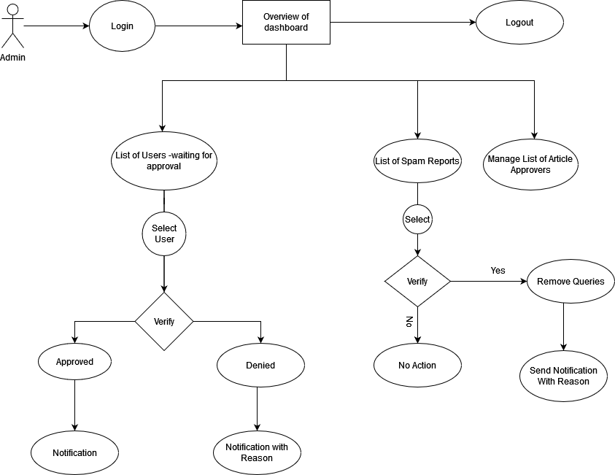
 |  |  | 10 | Dependencies
Admin Flow |  |  | 11 | Constraints

 |  | Admin Flow
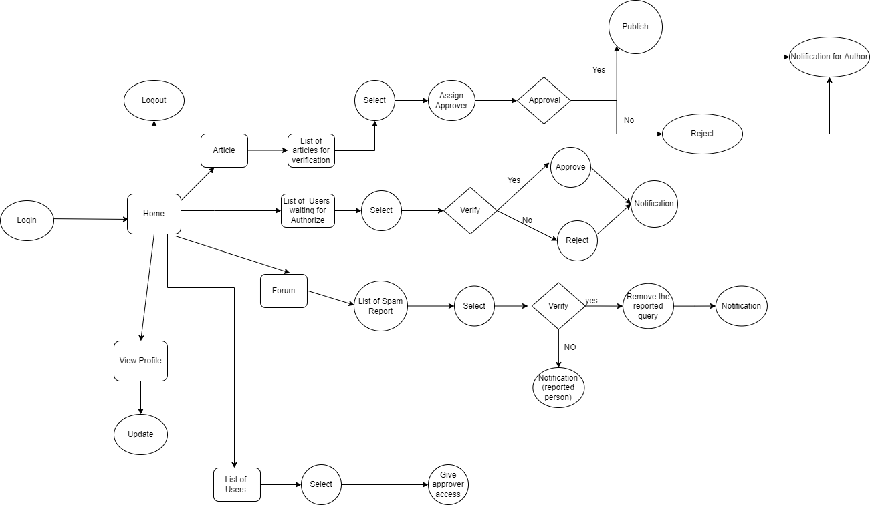

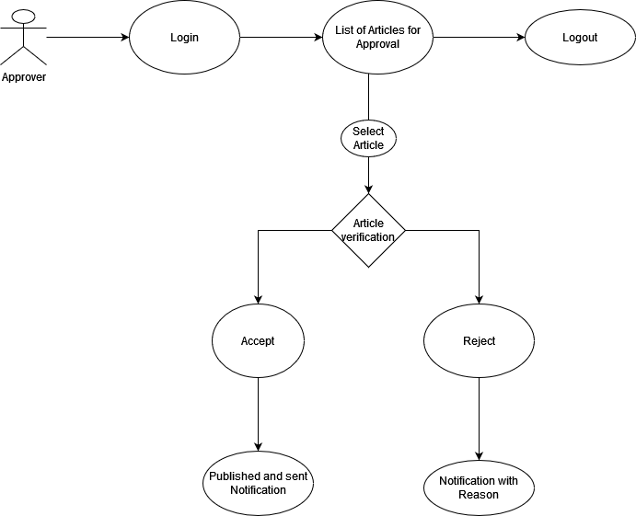
Reviewer Flow

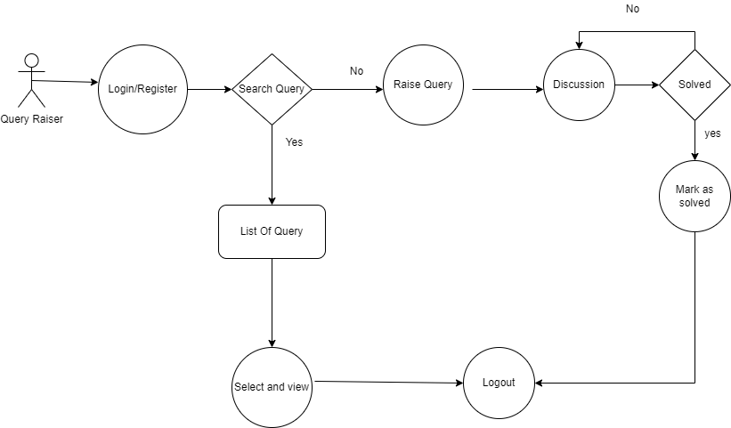
Query Raiser

 |  | Approver Flow



Query solver

Day2 05.04.22
Id:1 | I want to write articles, So that I can share my knowledge and thoughts via articles.
Author/Blogger | I can add image,link to an article.
 | I can update and republish the article .
 | I can delete the article.
 | I can update and manage my profile.
 | I can invite certain people to read my article.

Id:2 | I used to read articles to gain more knowledge
Article Reader: | I want to save the article which impress me.
 | I want to share the article which has new impact.
 | I want to like the article which I love.
 | I can also follow the author I like.

Id:3
Queries Raiser(Any Employee): | I can raise queries in the forum, If I faced any issues.
 | I can search for query in the forum | User Flow
 | I can also give verified mark If I get my solution.
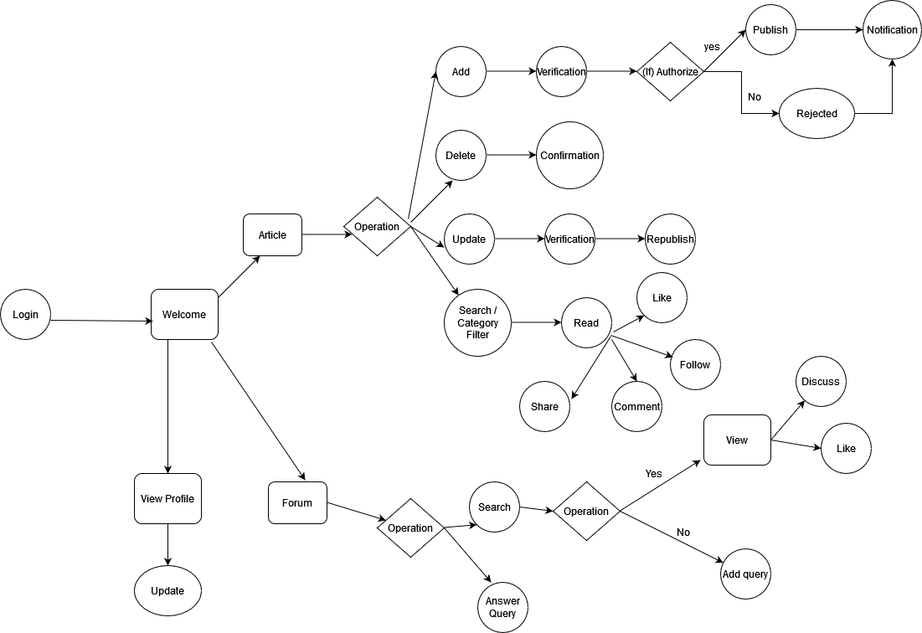

Id:4 | I can able to answer Queries raised by anyone in the technical forum.
Queries Solver (Any Employee): | I can also interact with query raiser if the question is not clear.

Id:5 | I can able to view the dashboard.
System Admin: | I can approve the employee who register ,so that they can able to access our website ,read/write articles ,raise queries and solve queries.
 | I can also give the ratings for authors with their writings.
 | I can manage the author and user profile.
 | I can report and delete the spam content and users.

Id:6 | I can able to review the others articles before publishing.
Reviewer: | I can able to reject the article if the article content is not good.
 | I can able to approve the article.
 | I can able to approve the article.

Actors | User Flow
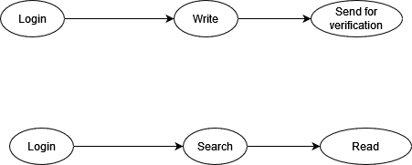

Author/Blogger

 |  |  |  |  |  | Day 2 -Minutes of Meeting

 |  |  |  | 1 | Register should be added in user flow
 |  |  |  | 2 | Add draft section in the articles
 |  |  |  | 3 | Expert Flow diagram should be removed
 |  | Admin Flow |  | 4 | My articles section should be added
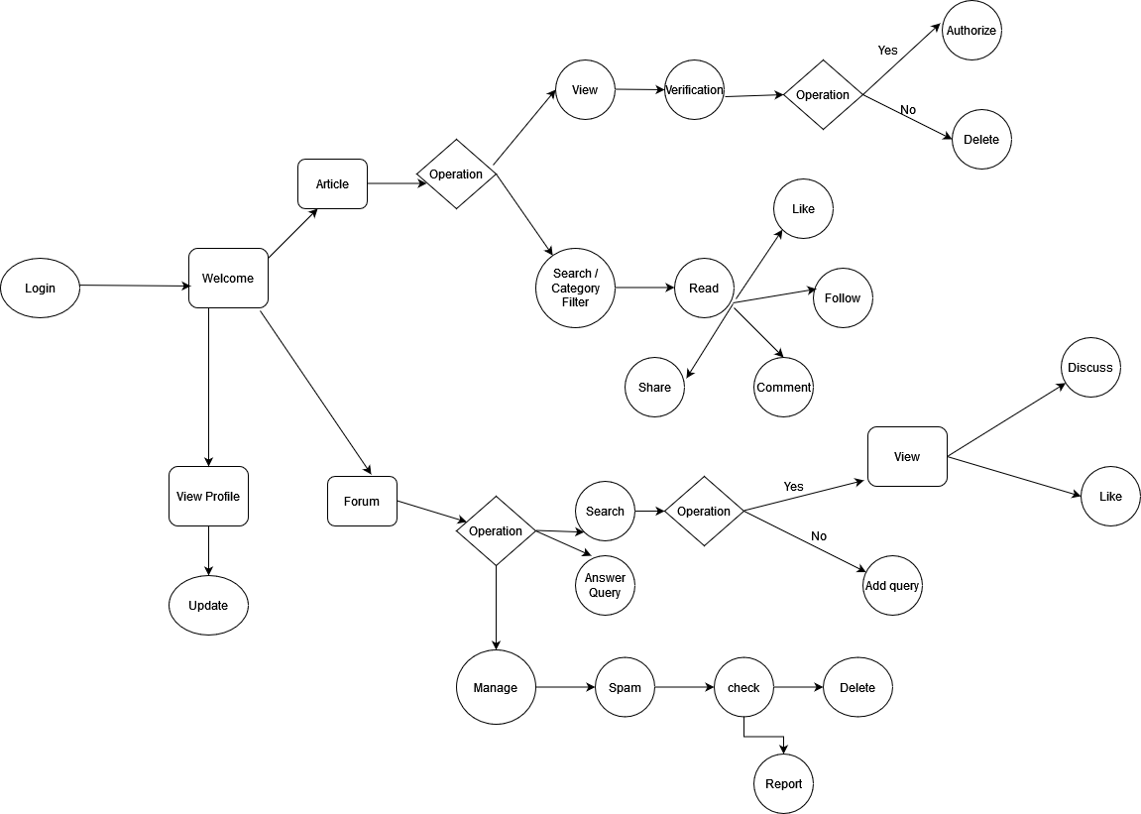
 |  |  |  | 5 | For reading a article we should select the specific article
Article Reader: |  |  |  | 6 | Notification for Approving and rejecting in admin
 |  |  |  | 7 | User has to report spam queries
 |  |  |  | 8 | For rejected articles,Notified with the reason and allowed to Update
 |  |  |  | 9 | Admin cant allowed to raise queries
 |  |  |  | 10 | Any user can share their articles either by private or public
 |  |  |  | 11 | Latest or recently added three queries should be viewed
 |  |  |  | 12 | Queries can be searched and answered
 |  |  |  | 13 | The user who raised the query can have a option to close once it is resolved.
 |  |  |  | 14 | After answering a query,it can also be discussed.

 |  |  |  | Add on ideas | Dashboard section in the my article page(No of articles,Views,Likes).

Query Raiser
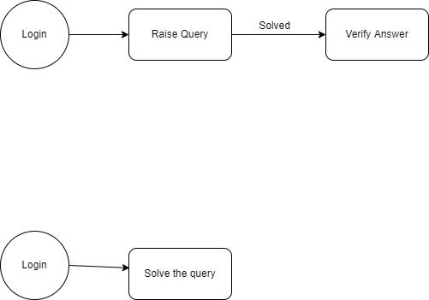

Query Solver

 |  |  | Expert Flow

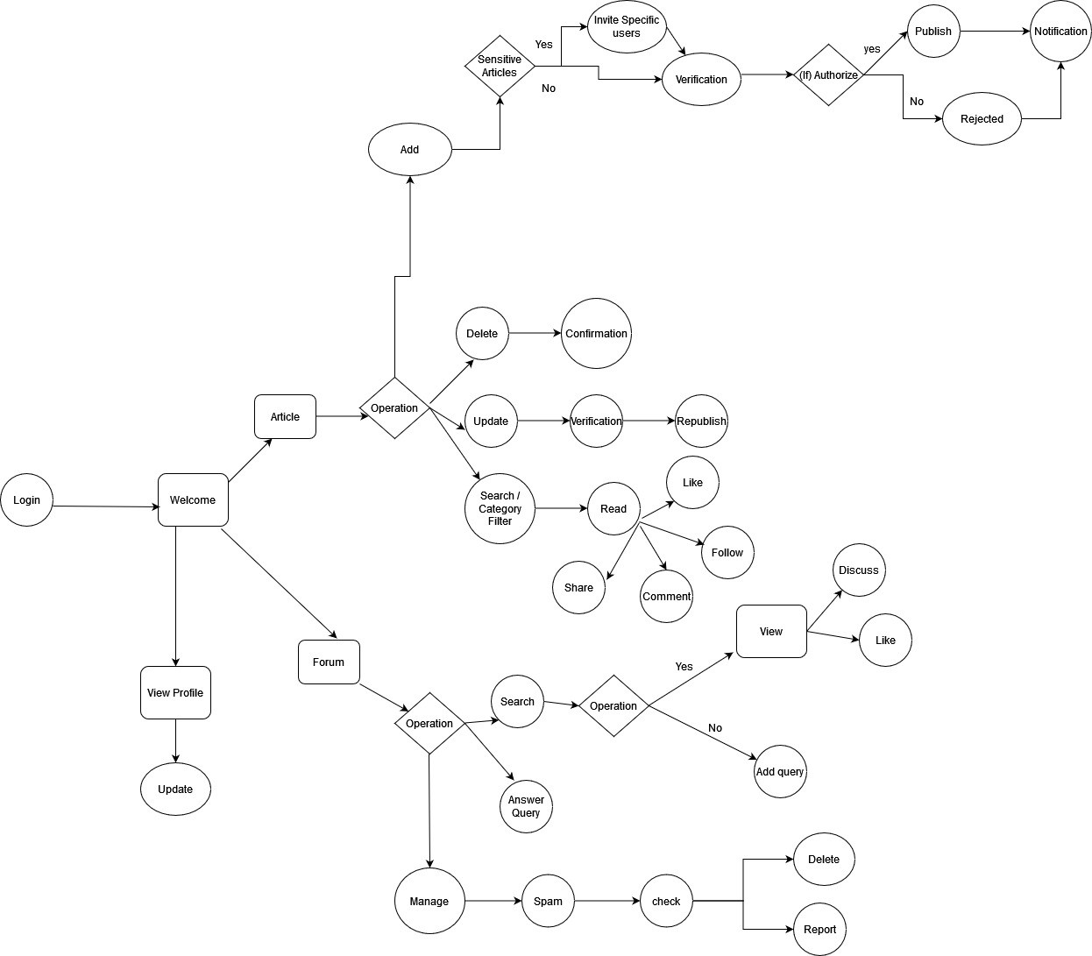

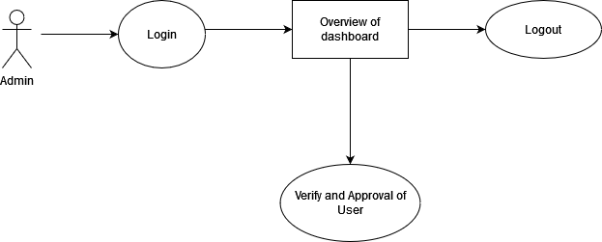
Admin Flow

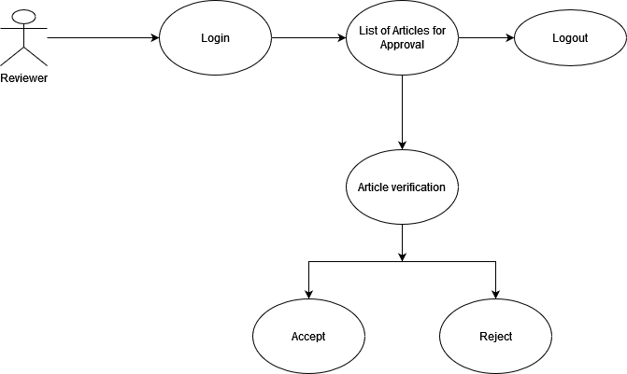
Reviewer Flow

Day 4 07.04.22
Actors | User Stories | Acceptance criteria | Dependencies | Constraints
Id:1 | I want to write articles, So that I can share my knowledge and thoughts via articles. | For writing the article,I need to login to the application and i want to write the content and it will sent for verification | To login and access to the application Author should depend on Admin and For article Verification,He should depend on Reviewer | For writing a Article, Author needs to login
Author/Blogger | I can add image,link to an article. | For selecting the specific article,I need to login to the application,I need to select the particular article and in that I can add the image in a paticular spot and it will sent for verification | To login and access to the application Author should depend on Admin and For article verification,He should depend on Reviewer | To add a image to the article, he needs to the write the article
 | I can update and republish the article . | to Update the existing article,I need to login to the application and I can select the specific article from the published articles,the changes will be made and it will sent for verification | To update and republish the article,he should depend on Reviewer | To update the article, he needs to have published article
 | I can edit or delete the article in the draft. | I need to login to the application and I can select the draft in the list of drafted article and i can edit or delete the article and it will sent for verification | No dependencies | To Edit or delete the article from the draft,we should have drafted articles
 | I can update and manage my profile. | To Manage my profile,I need to login to the application and in the profile page i can able to update my profile | No dependencies | To update a profile, he should have profile
 | I can invite certain people to read my article. | To invite the specific user,I need to login to the application and need to write the article and I can choose the view of the specific article whether it is public or private. | Depend on Author | To Invite users to the article, he needs to write article
 |  |  |  |  |  |  | Day 4 -Minutes of Meeting

 |  |  |  |  | 1 | In Github,Everybody needs to Push on their own
Id:2 | I used to read articles to gain more knowledge | For reading a article, I need to login to the application and in the list of articles I can select the particular article and view that article | To Read an article, there should be other articles written by other users | For Reading a articles I need to view a article | 2 | Title in the register and login page should be changed
Article Reader | I want to share the article which has new impact. | To share the article,I need to login to the application and in the list of articles I can select the particular article and view that specific article and share that article | To share the articles,there need to be article written by other users | For share a articles I need to view a article | 3 | Employee Id should be ACE NO
 | I want to like the article which I love. | To like the article,I need to login to the application and in the list of articles I can select the particular article and view that specific article and like that article. | To like the articles,there need to be article written by other users | For like a articles I need to view a article | 4 | Mail id should be mail address
 | I can also follow the author I like. | To Follow the author,I need to login to the application and in the list of articles I can select the particular article and view that specific article and follow that author | Depend on Author | For follow the author, I need to view a article | 5 | No Acronyms
 |  |  |  |  | 6 | Consistency in the project
 |  |  |  |  | 7 | Navigatability in the project
 |  |  |  |  | 8 | Remove the before login home page
Id:3 |  |  |  |  | 9 | Dropdown in the top menu bar for my articles,logout,profiles,my queries
Queries Raiser(Any Employee): | I can raise queries in the forum, If I faced any issues. | To raise the query in the forum,I need to login the application and i will search for the query i needed If it is not there i will raise query. | No dependencies | No Constraints | 10 | Add my queries
 | I can search for query in the forum | To search the query in the forum ,I need to login the application and i can search for the already raised query so that i can get solutions . | To discuss already raised query,it depends on other user who raised the query | To search the queries,i need the query. | 11 | anyone text or button for logout
 | I can also give verified mark If I get my solution. | To give the verified mark,I need to login the application .If the raised query is solved then i will give verified mark. | To give verified mark for solved query,it depends on the users who discussed in the forum | To verify the answer,i need the exact answers | 12 | For viewing articles and queries we need scrollbar,scrollarrow
 |  |  |  |  | 13 | Commentbox page
 |  |  |  |  | 14 | Notification page
Id:4 | I can able to answer Queries raised by anyone in the technical forum, So that I can solve the problem of others. | Given that I have solution when someone raises query then i can answer. | I should depend on query Raiser,Because If he raise any query then only I solve. | To Solve the queries,i need the query. | 15 | For share and like keep icons
Queries Solver (Any Employee): | I can also interact with query raiser, So that I can understand the question more clearly. | Given I want to interact with query raiser when needed then i can understand the query more clearly. | No dependencies | To Interact with raiser,I need to write some query. | 16 | Author page needs to be detailed
 | I can Report Spam Queries, So that I can minimize wrongings. | Given that i can report spam when there is sensitive content. | No dependencies | To report spam Query,If there is some sensitive content | 17 | Alignments should be kept
 |  |  |  |  | 18 | Search filter should be kept for searching
 |  |  |  |  | 19 | Published and draft should be kept in the same page
Id:5 | I can able to view the dashboard. | Given that I can view the overview of the dashboard | No dependencies | No Constraints | 20 | Create article in the my article
System Admin: | I can approve the employee who register ,so that they can able to access our website ,read/write articles ,raise queries and solve queries. | I can approve the correct employee who belongs to our organisation else I will reject his/her registration process . If a employee is accepted he/she can has access to read and write the article and raise queries or solve the unsolved queries. | If a User is register and sent for verification then I can verify and approve that specific user. (Depends on user Registration) | User Should Register | 21 | in update title should be editable
 | I can also give the ratings for authors with their writings. | When the author is good writer and he is giving good content to the fourm so I can give ratings to the author and I can assign ranking to the specific Author | Author should write some article so that I can give ratings or ranking to that specific author.(Depends on article and author) | Author should write article | 22 | icons should be small
 | I can manage List of Article Approvers | When a list of article is reaching us for verification our approvers should verify and approve that article .So there is a set of approvers will be there . I can maintain the list of approver. | If the approver list is zero then I can't view the list of approver .(Depends on approver count) | Approver's should be added | 23 | verify and publish should be changed into submit
 | I can verify and remove spam queries and send notification with reason | When some user is reporting, that query is spam content then I can able to verify and remove it . once a query is removed notification will be sent to the specific user with reason for the removal. | Here in this case a user should raise a report against some query then only I can review it and remove it or else I can't remove it (Depends on user reports) | Some query should be there for raising the report | 24 | pleasant screen in the query
 |  |  |  |  | 25 | Report spam should be kept in the side
Id:6 | I can able to review the others articles before publishing. | Given that I can verify and Publish articles When someone request for publishing the article. |  |  | 26 | Remove employee should be removed ,edit and remove
Article Approver: | I can able to reject the article if the article content is not good. | To Verify the article,I need to login and select any article from the list of articles written by Authors ,then I can Verify it. | To verify the articles,Author must need to Write articles and send it for Verification. (Reviewer is Depend on the Article writers) | To review the article,I need to login | 27 | Many screens needs to be removed
 | I can able to approve the article. | When the Content in the Article is Valid and Relevant to the title ,I will publish the article. | To Publish the article,Author must share the Valid articles.(Depend on Valid Articles) | To Review the article,I need Articles . | 28 | In registration, there will be a approve and reject
 |  | When the Content in the Article contains any gramatical mistakes,content not relevant ,I will Reject it and send reason to the Author. | Article should be In OpenForReview Mode (Depend on OpenArticles) | To Publish the article ,I need valid Article | 29 | Give mark as Reviewer in the page
 |  | When I am Reviewing any article,I will mark it as UnderReview
 | User Flow
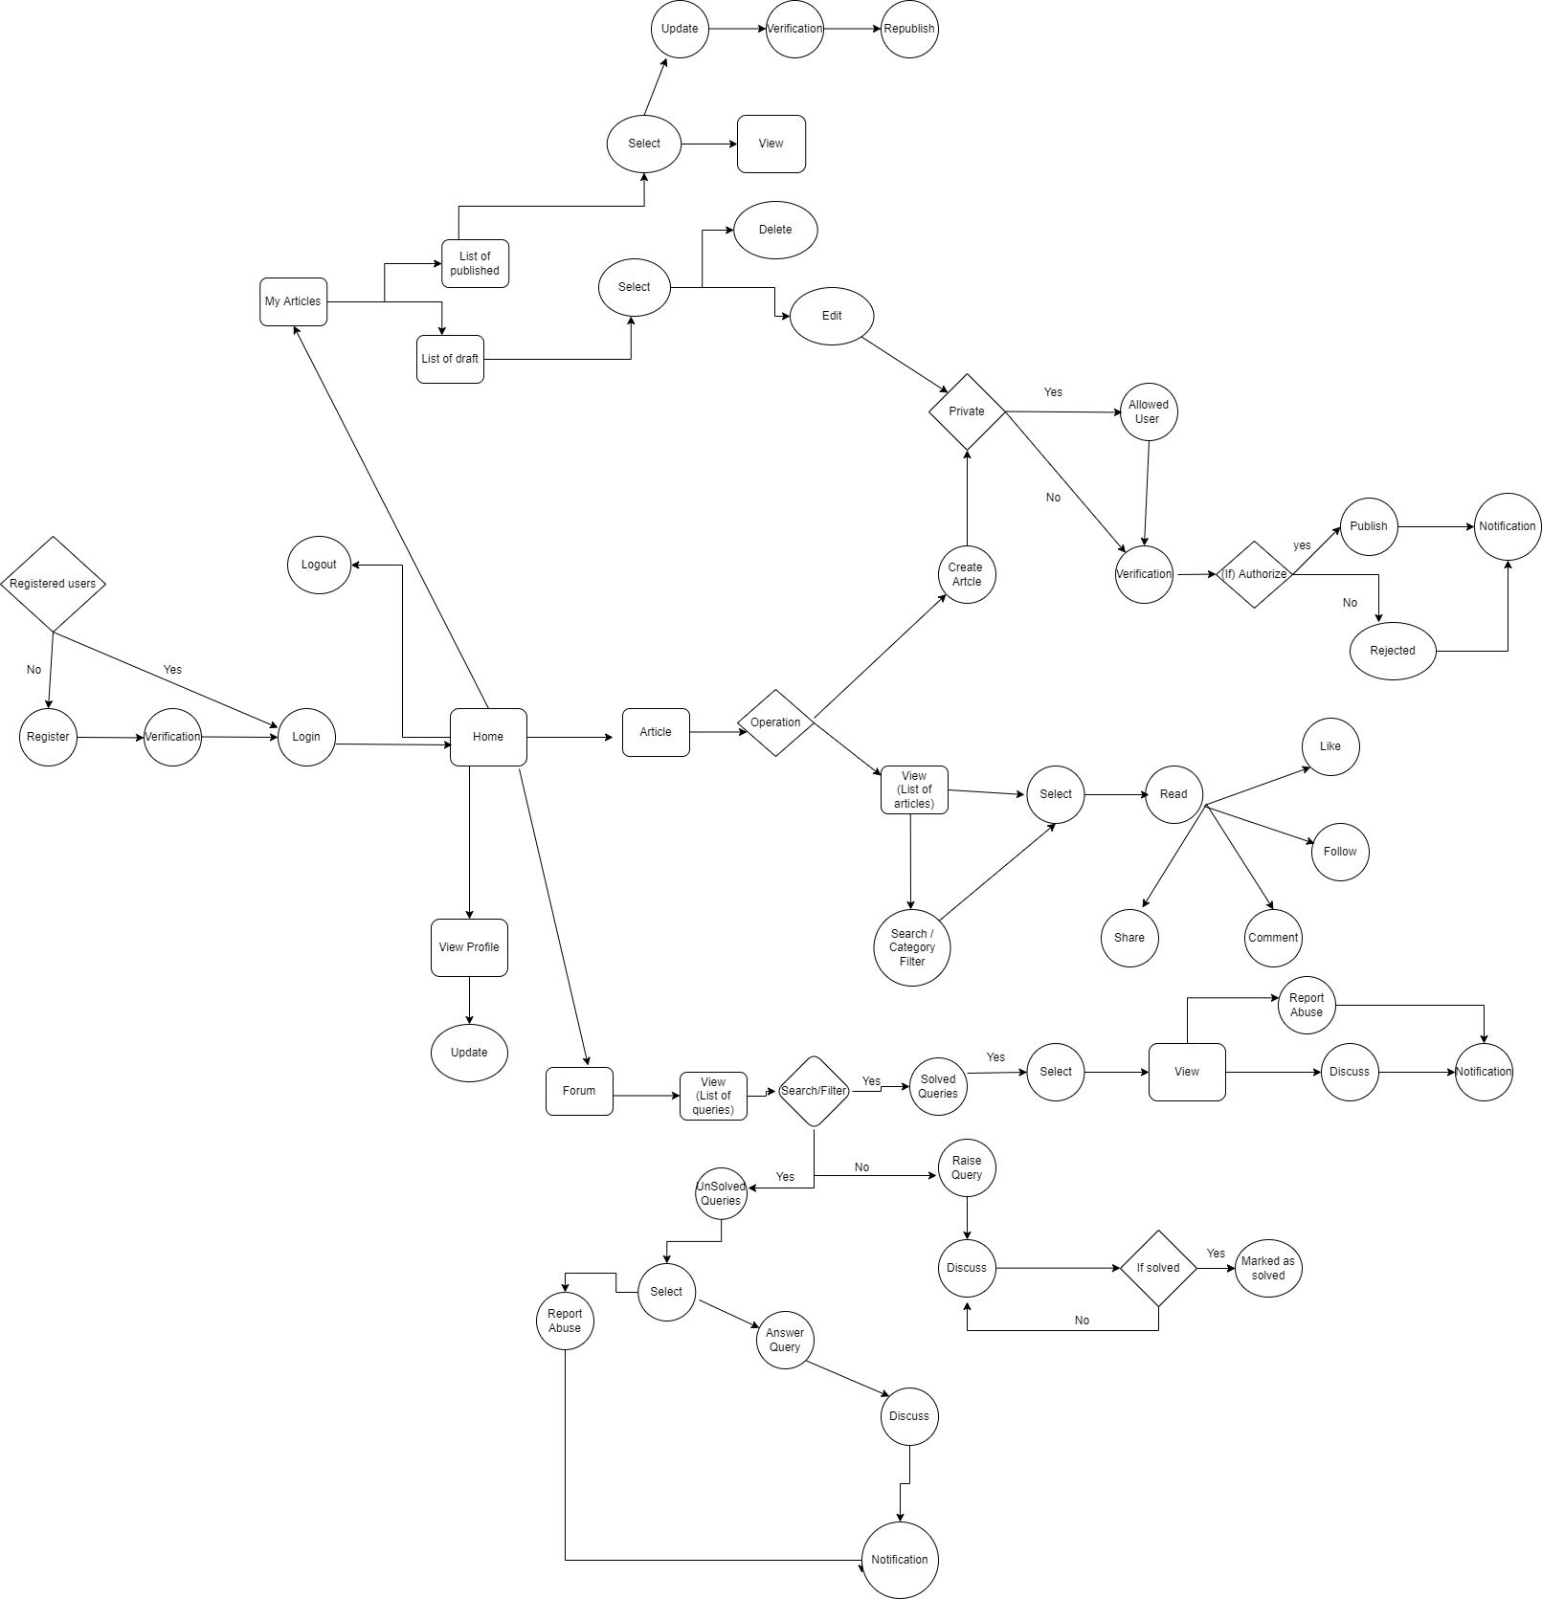

 | Admin flow
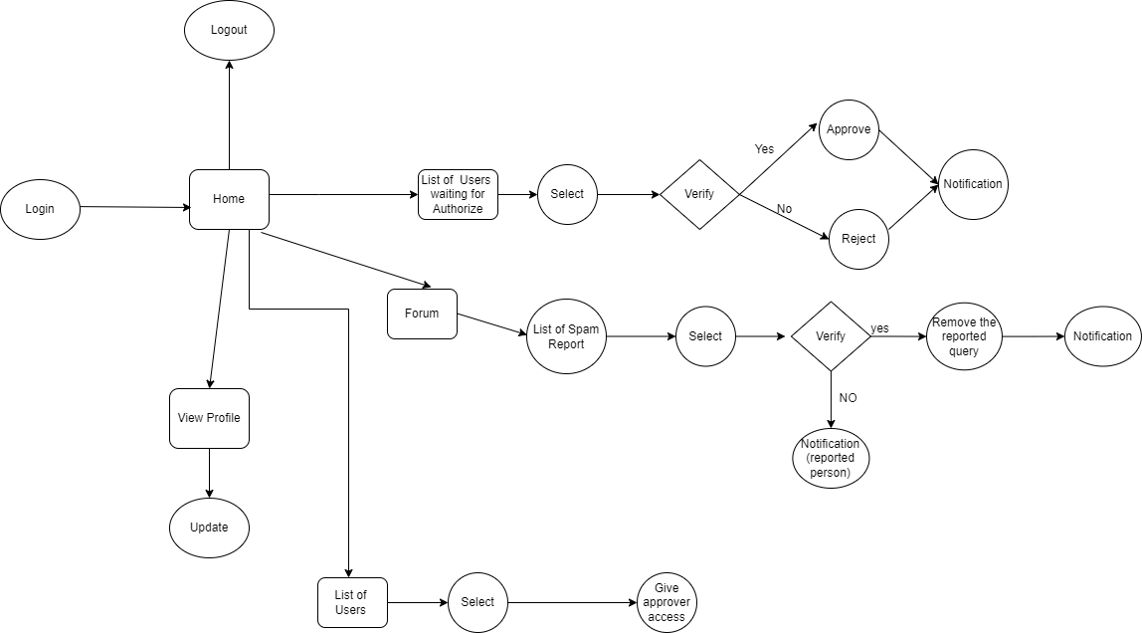

 | Reviewer flow

